Sheet1
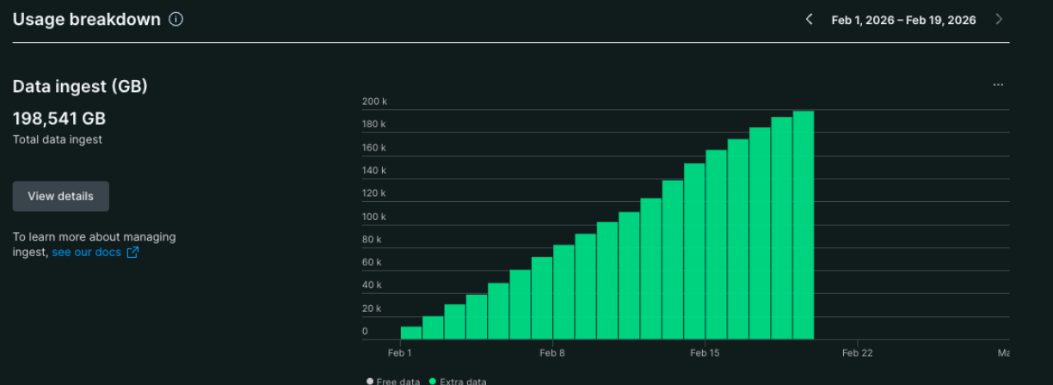
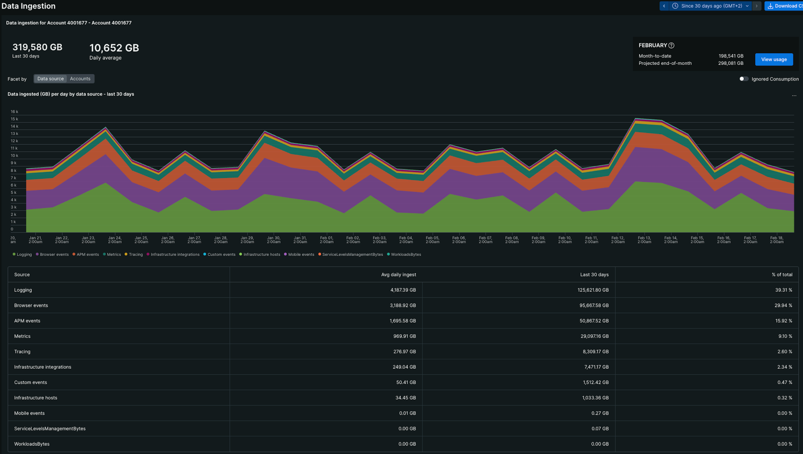
200.22

 | Metrics | 970 | Metrics
 | Infrastructure Integrations | 250 | Metrics
 | APM events | 1,695 | Traces
 | Logging | 4187 | Logs
 | Tracing | 276 | Traces
 | Infrastructure Hosts | 35 | Metrics
 | Infrastrucure Processes | 0 | Metrics
 | Custom events | 50 | Logs
 | Serverless | 0 | Logs
 | Browser events | 0 | RUM

 | Logs | 4237
 | Metrics | 1,255 | 1,255,000 | <- numseries
 | Traces | 1,971
 | RUM | 0

